Total KWH FY 2017 Visual
Total KWH by Building, FY 2017

Buildings | Total KWH FY 2017
Baltimore City Police North Western District | 9,589
Northwast DGS Fleet Substation Garage | 9,686
Jean and Lillian Hofmeister Museum Building,Star Spangled Banner Museum and Flag House | 13,766
President's Street Station Civil War Museum | 25,200
Norteast DGS Fleet Substation | 31,700
Northwest Substation | 32,094
Carroll Mansion Museum | 34,720
Reservoir Hill/Metro Delta Head Start | 36,500
Baltimore City Mounted Police Unit | 36,523
Peale Museum | 40,700
Fallsway Substation | 54,950
Northern Community Action Center | 69,868
Eastside Career Center | 79,680
1812 Museum Flag House Building | 96,200
WIC Center/Dunbar Child Care Academy | 106,811
Baltimore City Police South Eastern District | 130,120
Baltimore City Western District | 144,580
Baltimore City Police K9 Unit | 144,643
Eastern Health District Building | 159,414
Lower Park Heights Multi Purpose Building | 176,108
Department of Transportstion Main Impound Facility | 179,979
Baltimore City Police Southern District | 186,058
DGS Public Building Maintenance Shop | 187,422
Baltimore City Police Department Warrant Task Force | 193,469
Druid Health District Building | 196,727
2492 Giles Road | 208,724
Waxter Senior Center | 311,039
Baltimore City Police Northern District | 314,645
Parking Authority Offices | 386,000
Health Department Headquarters | 411,972
Fleet Central Garage Main Building | 468,318
The Weinberg Housing and Resource Center | 510,576
MECU Building | 941,729
First Mariner Arena | 2,153,460
Total KWH | 8,082,970

Total KWH in FY 2017 across DGS Buildings: | 8,082,970 | KWH
Average KWH: | 237,734 | KWH
Median KWH: | 144,612 | KWH
Min KWH: | 9,589 | KWH
Max KWH: | 2,153,460 | KWH

Total KWH FY2018 Visual
Total KWH by Building, FY 2018
Buildings | Total KWH FY 2018
Northwast DGS Fleet Substation Garage | 20,787
Jean and Lillian Hofmeister Museum Building,Star Spangled Banner Museum and Flag House | 33,507
President's Street Station Civil War Museum | 60,100
Norteast DGS Fleet Substation | 60,700
Carroll Mansion Museum | 61,720
Northwest Substation | 72,439
Baltimore City Police North Western District | 74,239
Reservoir Hill/Metro Delta Head Start | 90,200
Baltimore City Mounted Police Unit | 103,293
Northern Community Action Center | 139,460
Eastside Career Center | 162,620
Peale Museum | 165,500
WIC Center/Dunbar Child Care Academy | 212,763
Fallsway Substation | 213,960
Baltimore City Western District | 276,800
Baltimore City Police South Eastern District | 292,800
Baltimore City Police K9 Unit | 325,505
Baltimore City Police Southern District | 348,703
Department of Transportstion Main Impound Facility | 355,030
Eastern Health District Building | 368,765
Baltimore City Police Department Warrant Task Force | 382,873
Lower Park Heights Multi Purpose Building | 404,476
2492 Giles Road | 415,505
DGS Public Building Maintenance Shop | 451,859
1812 Museum Flag House Building | 457,303
Druid Health District Building | 468,746
Baltimore City Police Northern District | 575,149
Parking Authority Offices | 781,625
Waxter Senior Center | 788,705
Health Department Headquarters | 828,116
Fleet Central Garage Main Building | 1,045,097
The Weinberg Housing and Resource Center | 1,204,630
MECU Building | 1,734,775
First Mariner Arena | 4,558,804
Grand Total | 17,536,554

Total KWH in FY 2018 across DGS Buildings: | 17,536,554 | KWH
Average KWH: | 515,781 | KWH
Median KWH: | 337,104 | KWH
Min KWH: | 20,787 | KWH
Max KWH: | 4,558,804 | KWH

KWH FY2019 Data visual
Total KWH by Building, FY 2019
Buildings | KWH FY2019
Northwast DGS Fleet Substation Garage | 18,046
Jean and Lillian Hofmeister Museum Building,Star Spangled Banner Museum and Flag House | 23,823
2492 Giles Road | 45,702
President's Street Station Civil War Museum | 51,600
Norteast DGS Fleet Substation | 59,600
Reservoir Hill/Metro Delta Head Start | 60,100
Northwest Substation | 66,479
Carroll Mansion Museum | 69,080
Baltimore City Mounted Police Unit | 89,444
Peale Museum | 105,000
Baltimore City Police North Western District | 120,436
Fallsway Substation | 136,838
Northern Community Action Center | 171,146
Eastside Career Center | 173,360
WIC Center/Dunbar Child Care Academy | 195,812
Baltimore City Western District | 260,400
Baltimore City Police Southern District | 300,883
Baltimore City Police South Eastern District | 311,240
Department of Transportstion Main Impound Facility | 328,767
Baltimore City Police Department Warrant Task Force | 385,890
Eastern Health District Building | 400,923
1812 Museum Flag House Building | 436,451
Lower Park Heights Multi Purpose Building | 439,711
Baltimore City Police K9 Unit | 442,608
DGS Public Building Maintenance Shop | 451,795
Baltimore City Police Northern District | 464,815
Druid Health District Building | 477,597
Waxter Senior Center | 655,298
Parking Authority Offices | 732,628
Health Department Headquarters | 801,239
Fleet Central Garage Main Building | 1,043,209
The Weinberg Housing and Resource Center | 1,248,172
MECU Building | 1,651,098
First Mariner Arena | 3,646,647
Total KWH | 15,865,837

Total KWH in FY 2019 across DGS Buildings: | 15,865,837 | KWH
Average KWH: | 466,642 | KWH
Median KWH: | 306,062 | KWH
Min KWH: | 18,046 | KWH
Max KWH: | 3,646,647 | KWH

Average and Median KWH
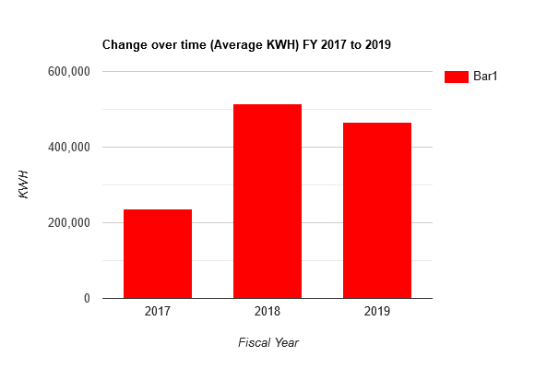
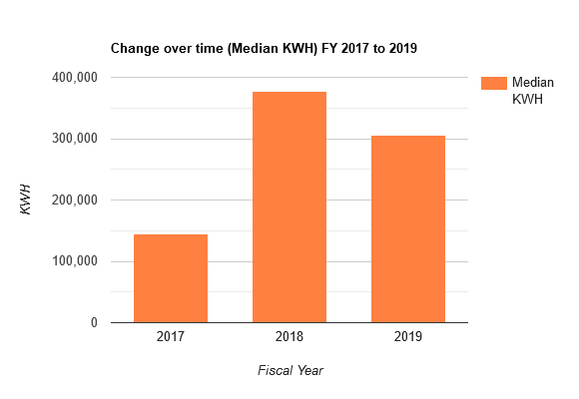
KWH CHANGE OVER TIME

